Test Config
Load cell
Hydraulic jack
1094
406
1500
1016
Hanger
Pin Joint
Rocker base
Right
Left

Fig. 1. Cruciform test configuration and loading arrangement (all dimensions are in mm).

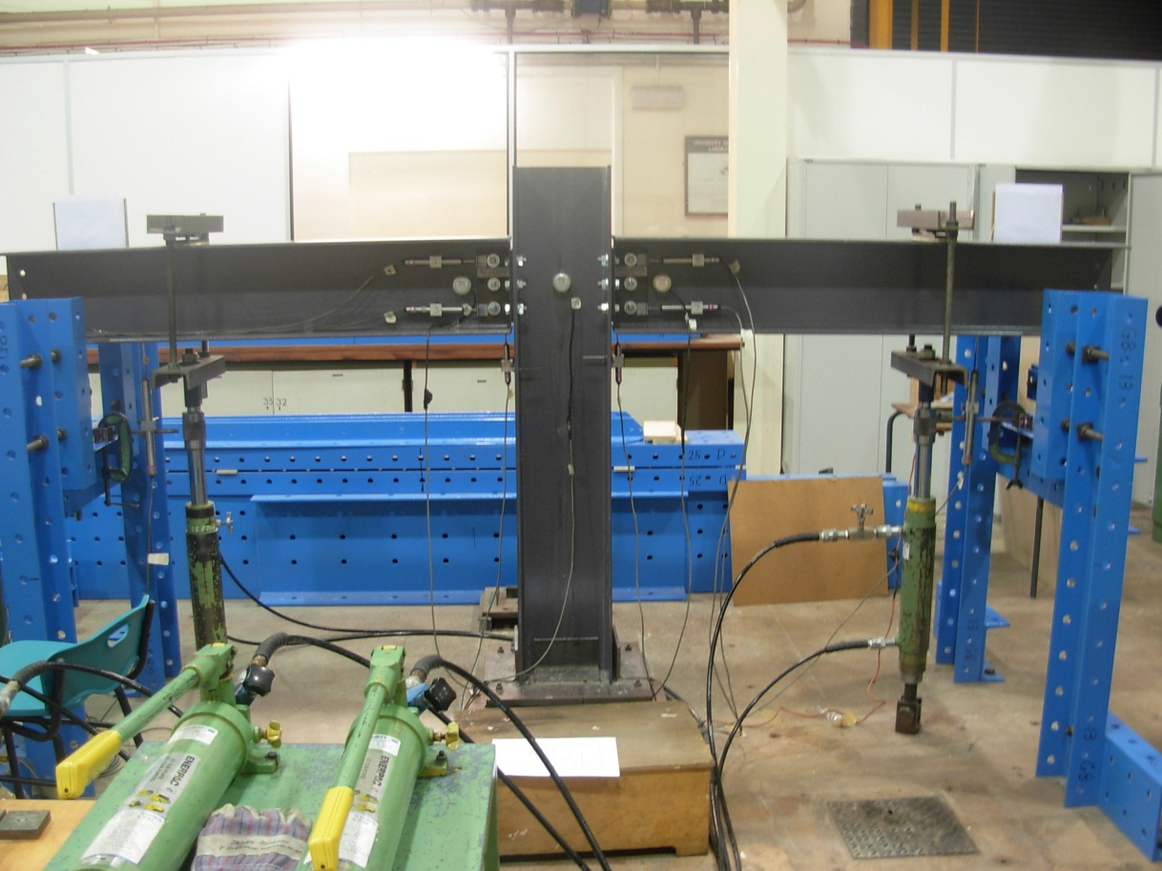

Fig. 2. General test arrangement for major-axis beam-to-column joint Wmj254_3M16_ST1-3.

1140
C2
C1
C3
130
LTR
LBR
LTL
LBL
128
192
1016
1500
L1
L2
Loading Point (LP2)
L4
L3
Clinometers
Displacement transducers
30
All dimensions are in mm
Loading Point (LP1)
130
Right
Left

Fig. 3. Location of instrumentation in nominally pinned beam-to-column joint tests (all dimensions are in mm).

100×100×10 steel angle
WF 254×254×9.53
A
A
WF 254×254×9.53
Detail A

WF 254×254×9.53 Column
10 mm gap between beam and column
WF 254×254×9.53 Beam
55
32
31
64
64
31
32
100×100×10 steel angle
Detail A
WF 254×254×9.53 Beam
WF 254×254×9.53 Column
100×100×10 steel angle
Section A-A
10
100
55
55

 | Note: Leg angles are of structural steel material

Fig. 4. Connection details for beam-to-column joint tests with structural steel cleats (All dimensions are in mm), adapted from [Fig. 1].

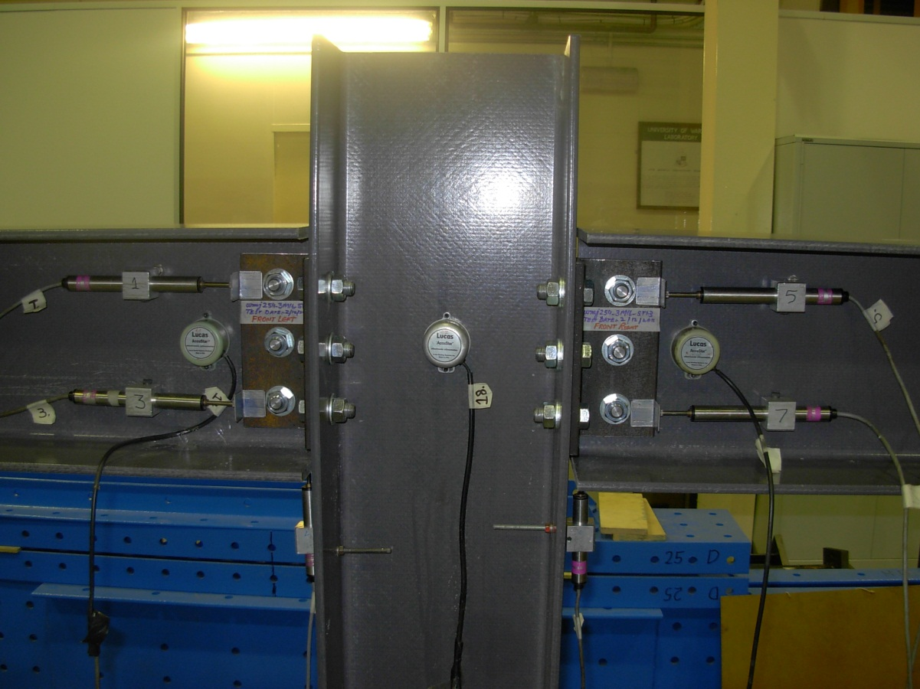

Fig. 5. Details of nominally pinned beam-to-column joint test Wmj254_3M16_ST1-3.

M-R Left
Wmj254_3M16_ST1.3 (With Slip Rotation)
 | Wmj254_3M16_ST1.3
0.00 | 0.00
0.28 | 0.25
0.30 | 0.24
0.86 | 0.68
0.93 | 0.69
1.58 | 0.98
1.63 | 0.97
2.65 | 1.24
2.69 | 1.21
3.97 | 1.50
3.99 | 1.44
5.33 | 1.74
5.34 | 1.68
6.76 | 2.02
6.92 | 1.94
8.76 | 2.29
8.94 | 2.20
10.78 | 2.53
11.16 | 2.39
14.16 | 2.79
14.66 | 2.62
15.26 | 2.43
15.25 | 2.42
19.81 | 3.05
20.08 | 2.83
5.14 | 0.20
4.88 | 0.23
22.25 | 3.08
22.47 | 2.87
25.88 | 2.98
25.49 | 2.83
6.28 | 0.13
5.98 | 0.18
27.30 | 3.03
26.69 | 2.77
30.57 | 3.20
33.84 | 3.32
37.17 | 3.31
40.59 | 3.34
43.41 | 3.03
43.98 | 2.88
14.14 | 0.22
10.17 | 0.02

M-R Right
Wmj254_3M16_ST1.3 (With Slip Rotation)
 | Wmj254_3M16_ST1.3
0.00 | 0.00
0.41 | 0.28
0.43 | 0.28
1.60 | 0.71
1.72 | 0.73
2.65 | 1.01
2.71 | 1.00
3.74 | 1.27
3.78 | 1.23
4.90 | 1.53
4.96 | 1.46
6.25 | 1.76
6.48 | 1.70
8.21 | 2.04
8.36 | 1.96
10.28 | 2.30
10.39 | 2.21
12.11 | 2.55
12.19 | 2.41
14.85 | 2.79
14.80 | 2.63
14.91 | 2.45
14.88 | 2.44
19.24 | 3.04
19.51 | 2.84
5.78 | 0.24
5.42 | 0.27
21.40 | 3.08
21.67 | 2.87
34.39 | 2.99
35.09 | 2.84
10.86 | 0.18
10.30 | 0.22
38.63 | 3.04
39.73 | 2.78
49.89 | 3.20
54.64 | 3.33
56.11 | 3.32
57.30 | 3.35
56.22 | 3.05
55.81 | 2.91
20.68 | 0.28
15.96 | 0.07

M-R Curve
 | Left |  | Right |  | Damage Onset
0.00 | 0.00 | 0.00 | 0.00 | 6.76 | 2.02
0.28 | 0.25 | 0.41 | 0.28 | 8.21 | 2.04
0.30 | 0.24 | 0.43 | 0.28
0.86 | 0.68 | 1.60 | 0.71
0.93 | 0.69 | 1.72 | 0.73
1.58 | 0.98 | 2.65 | 1.01
1.63 | 0.97 | 2.71 | 1.00
2.65 | 1.24 | 3.74 | 1.27
2.69 | 1.21 | 3.78 | 1.23
3.97 | 1.50 | 4.90 | 1.53
3.99 | 1.44 | 4.96 | 1.46
5.33 | 1.74 | 6.25 | 1.76
5.34 | 1.68 | 6.48 | 1.70
6.76 | 2.02 | 8.21 | 2.04
6.92 | 1.94 | 8.36 | 1.96
8.76 | 2.29 | 10.28 | 2.30
8.94 | 2.20 | 10.39 | 2.21
10.78 | 2.53 | 12.11 | 2.55
11.16 | 2.39 | 12.19 | 2.41
14.16 | 2.79 | 14.85 | 2.79
14.66 | 2.62 | 14.80 | 2.63
15.26 | 2.43 | 14.91 | 2.45
15.25 | 2.42 | 14.88 | 2.44
19.81 | 3.05 | 19.24 | 3.04
20.08 | 2.83 | 19.51 | 2.84
5.14 | 0.20 | 5.78 | 0.24
4.88 | 0.23 | 5.42 | 0.27
22.25 | 3.08 | 21.40 | 3.08
22.47 | 2.87 | 21.67 | 2.87
25.88 | 2.98 | 34.39 | 2.99
25.49 | 2.83 | 35.09 | 2.84
6.28 | 0.13 | 10.86 | 0.18
5.98 | 0.18 | 10.30 | 0.22
27.30 | 3.03 | 38.63 | 3.04
26.69 | 2.77 | 39.73 | 2.78
30.57 | 3.20 | 49.89 | 3.20
33.84 | 3.32 | 54.64 | 3.33
37.17 | 3.31 | 56.11 | 3.32
40.59 | 3.34 | 57.30 | 3.35
43.41 | 3.03 | 56.22 | 3.05
43.98 | 2.88 | 55.81 | 2.91
14.14 | 0.22 | 20.68 | 0.28
10.17 | 0.02 | 15.96 | 0.07

Slip Compensated M-R Curve
 | Left |  | Right |  | Damage Onset
0.00 | 0.00 | 0.00 | 0.00 | 6.37 | 2.02
0.22 | 0.25 | 0.35 | 0.28 | 7.87 | 2.04
0.25 | 0.24 | 0.40 | 0.28
0.75 | 0.68 | 1.59 | 0.71
0.76 | 0.69 | 1.63 | 0.73
1.40 | 0.98 | 2.57 | 1.01
1.41 | 0.97 | 2.56 | 1.00
2.38 | 1.24 | 3.60 | 1.27
2.41 | 1.21 | 3.57 | 1.23
3.56 | 1.50 | 4.68 | 1.53
3.72 | 1.44 | 4.71 | 1.46
5.05 | 1.74 | 5.97 | 1.76
5.03 | 1.68 | 6.18 | 1.70
6.37 | 2.02 | 7.87 | 2.04
6.48 | 1.94 | 8.01 | 1.96
8.26 | 2.29 | 9.94 | 2.30
8.40 | 2.20 | 9.95 | 2.21
10.27 | 2.53 | 11.68 | 2.55
10.63 | 2.39 | 11.72 | 2.41
13.49 | 2.79 | 14.31 | 2.79
14.10 | 2.62 | 14.29 | 2.63
14.60 | 2.43 | 14.44 | 2.45
14.63 | 2.42 | 14.44 | 2.44
19.03 | 3.05 | 18.67 | 3.04
19.33 | 2.83 | 18.93 | 2.84
4.95 | 0.20 | 5.70 | 0.24
4.66 | 0.23 | 5.37 | 0.27
21.46 | 3.08 | 20.84 | 3.08
21.71 | 2.87 | 21.10 | 2.87
25.06 | 2.98 | 33.77 | 2.99
24.72 | 2.83 | 34.47 | 2.84
6.13 | 0.13 | 10.79 | 0.18
5.81 | 0.18 | 10.29 | 0.22
26.52 | 3.03 | 38.11 | 3.04
25.99 | 2.77 | 39.20 | 2.78
29.74 | 3.20 | 49.34 | 3.20
32.97 | 3.32 | 54.05 | 3.33
36.30 | 3.31 | 55.46 | 3.32
39.70 | 3.34 | 56.67 | 3.35
42.50 | 3.03 | 55.58 | 3.05
43.15 | 2.88 | 55.23 | 2.91
13.89 | 0.22 | 20.58 | 0.28
9.96 | 0.02 | 15.95 | 0.07

Slip Comp M-R Left
Wmj254_3M16_ST1.3 (Slip Compensated)
 | wmj254_3M16_ST1-3 (Slip Compensated)
0.00 | 0.00
0.22 | 0.25
0.25 | 0.24
0.75 | 0.68
0.76 | 0.69
1.40 | 0.98
1.41 | 0.97
2.38 | 1.24
2.41 | 1.21
3.56 | 1.50
3.72 | 1.44
5.05 | 1.74
5.03 | 1.68
6.37 | 2.02
6.48 | 1.94
8.26 | 2.29
8.40 | 2.20
10.27 | 2.53
10.63 | 2.39
13.49 | 2.79
14.10 | 2.62
14.60 | 2.43
14.63 | 2.42
19.03 | 3.05
19.33 | 2.83
4.95 | 0.20
4.66 | 0.23
21.46 | 3.08
21.71 | 2.87
25.06 | 2.98
24.72 | 2.83
6.13 | 0.13
5.81 | 0.18
26.52 | 3.03
25.99 | 2.77
29.74 | 3.20
32.97 | 3.32
36.30 | 3.31
39.70 | 3.34
42.50 | 3.03
43.15 | 2.88
13.89 | 0.22
9.96 | 0.02

Slip Comp M-R Right
Wmj254_3M16_ST1.3 (Slip Compensated)
 | wmj254_3M16_ST1-3 (Slip Compensated)
0.00 | 0.00
0.35 | 0.28
0.40 | 0.28
1.59 | 0.71
1.63 | 0.73
2.57 | 1.01
2.56 | 1.00
3.60 | 1.27
3.57 | 1.23
4.68 | 1.53
4.71 | 1.46
5.97 | 1.76
6.18 | 1.70
7.87 | 2.04
8.01 | 1.96
9.94 | 2.30
9.95 | 2.21
11.68 | 2.55
11.72 | 2.41
14.31 | 2.79
14.29 | 2.63
14.44 | 2.45
14.44 | 2.44
18.67 | 3.04
18.93 | 2.84
5.70 | 0.24
5.37 | 0.27
20.84 | 3.08
21.10 | 2.87
33.77 | 2.99
34.47 | 2.84
10.79 | 0.18
10.29 | 0.22
38.11 | 3.04
39.20 | 2.78
49.34 | 3.20
54.05 | 3.33
55.46 | 3.32
56.67 | 3.35
55.58 | 3.05
55.23 | 2.91
20.58 | 0.28
15.95 | 0.07

Column Deform
 | TOP cleat |  | BOTTOM cleat
255.5 | 0.00 | 254.5 | 0.00
255.5 | 0.25 | 254.5 | 0.25
255.8 | 0.71 | 254.4 | 0.71
256.1 | 1.02 | 254.4 | 1.02
256.4 | 1.27 | 254.4 | 1.27
256.9 | 1.52 | 254.4 | 1.52
257.4 | 1.78 | 254.4 | 1.78
258.2 | 2.03 | 254.6 | 2.03
258.9 | 2.29 | 254.7 | 2.29
259.6 | 2.54 | 254.9 | 2.54
260.9 | 2.79 | 254.9 | 2.79
262.9 | 3.05 | 254.9 | 3.05
275.0 | 3.35 | 256.2

