Info sheet
Trainee Student Number (7 digits):

Trainee forename:
Trainee surname:

Contents (click to jump to tab) | GUIDANCE | Advice for mentors | Advice for trainees
Professional Behaviours CCF | These pages contain the content of the five areas of the Core Content Framework. They are intended to be used throughout the PGCE programme by trainees and mentors to support discussion about a trainee's strengths, areas for development and specific actions to develop a trainee's practice. | Please complete all boxes that look like this | Please complete boxes that look like this
Behaviour Management CCF |  | Please complete all boxes that look like this | Please complete boxes that look like this
Pedagogy CCF |  | Please complete all boxes that look like this | Please complete boxes that look like this
Curriculum CCF |  | Please complete all boxes that look like this | Please complete boxes that look like this
Assessment CCF |  | Please complete all boxes that look like this | Please complete boxes that look like this

Term 1 collaborative review | These pages should be used to record a trainee's progress in terms 1 and 2 (as appropriate) through a process of ongoing collaborative review between the trainee, mentor and possibly the class teacher. The Moderation Tutor may also be consulted. These pages will be formally submitted to record a 'snapshot' of progress at key assessment points (AP1, AP2, AP3, AP4). | Please complete all boxes that look like this | Please complete boxes that look like this
Term 2 collaborative review |  | Please complete all boxes that look like this | Please complete boxes that look like this

Summative assessment: Professional Behaviours | These pages should be used in term 3 to record a trainee's progress towards meeting the Teachers' Standards through a process of ongoing collaborative review between the trainee, mentor and possibly the class teacher. These pages will be formally submitted to record on-going progress at Assessment point 5 (AP5) and a summative assessment and recommendation for QTS at Assessment point 6 (AP6). | Please complete all boxes that look like this | Please complete boxes that look like this
Summative assessment: Behaviour |  | Please complete all boxes that look like this | Please complete boxes that look like this
Summative assessment: Pedagogy |  | Please complete all boxes that look like this | Please complete boxes that look like this
Summative assessment: Curriculum |  | Please complete all boxes that look like this | Please complete boxes that look like this
Summative Assessment: Overall |  | Please complete all boxes that look like this | Please complete boxes that look like this

Acronyms |  | Descriptor | Link (where appropriate)
S1, S2 etc. |  | Standard 1, Standard 2 etc.
CCF |  | Core Content Framework | ITT Core Content Framework (publishing.service.gov.uk)
SENCOs |  | Special Educational Needs Coordinator
TA |  | Teaching Assistant

Sharepoint

This document will be available to you in a Sharepoint folder, and must be shared with your current school mentor.
Click the three dots next to the document (shown below)

Click 'Share'
Enter the email address of your school mentor(s) and change the drop down next to the email to 'Can edit'

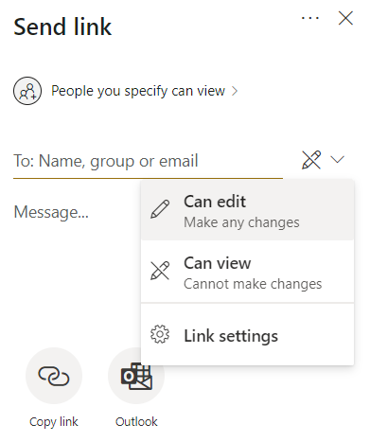

To revoke access given above

Click the three dots next to the folder/file
Click 'Manage Access'
Under the Share heading, click the arrow next to 'people you specify can edit'
Click the X next to the relevant user

The following link has further info on your folder:
https://moodle.warwick.ac.uk/course/view.php?id=44285

Formatting

If the boxes are too small for all of the text you require, please resize the relevant column or row by clicking and dragging the line by the row number to your left, or by the column letter above.
For further information on resizing rows and columns, please follow this link

