6. Risk Treatment
Guidance on Risk Treatment

The below diagram and table provide guidance on the 'Risk Treatment' options available. They give a broad recommendation on the most appropriate treatment options based on likelihood and impacts scores (only).
It should be noted however, that the most suitable risk treatment option will depend on how the risk aligns with the University's Risk Appetite (see Tab 5) as well as the specific nature of the risk.
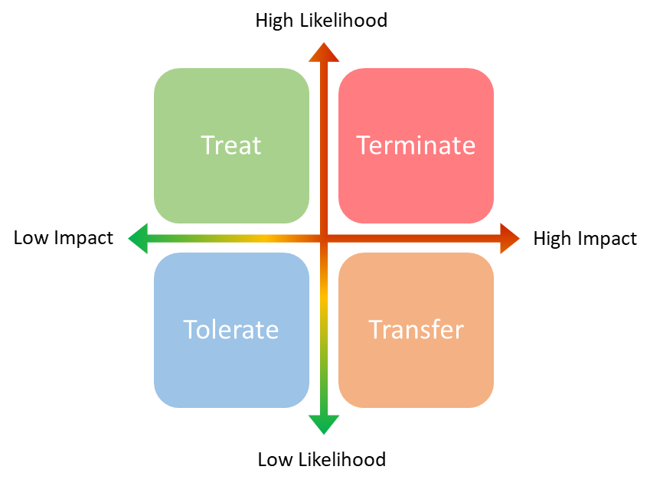

Treatment | Description
Terminate | If a risk is very high likelihood AND very high impact we may look to try and eliminate it all together where possible. Example: A very high risk around an old, damaged flammable liquid storage asset on campus - to terminate the risk the asset could be physically removed.
Transfer | This option is usually appropriate for high impact, low likelihood risks. The act of transferring the risk to another party through insurance, contracts and outsourcing. Example: A high impact, low likelihood risk around physical injury liability on campus - to transfer the risk, an insurance policy could be taken out.
Tolerate | This option is best to use only when the risk is very low likelihood AND very low impact or we deem it acceptable against our Risk Appetite. Example: A very low risk that the cafe in the Student Union building will run out of tea & coffee for a day - it could be tolerated because it would be highly unlikely to happen as the cafe always plans ahead and has extra stock, and if it did happen, the impact would be very minimal given all the other cafe's available on campus.
Treat | This the most commonly applied risk treatment option. Typically used for high likelihood, low impact risks. With these risks we primarily focus on reducing the likelihood of them occurring through mitigation measures. Example: A high likelihood, low impact risk that the turnstiles in the library will stop working for a few hours whilst repairs take place - to treat the risk the library could proactively open the turnstiles or schedule the repairs for the quietest period of the week.

