InitialAssessment Decision Tree
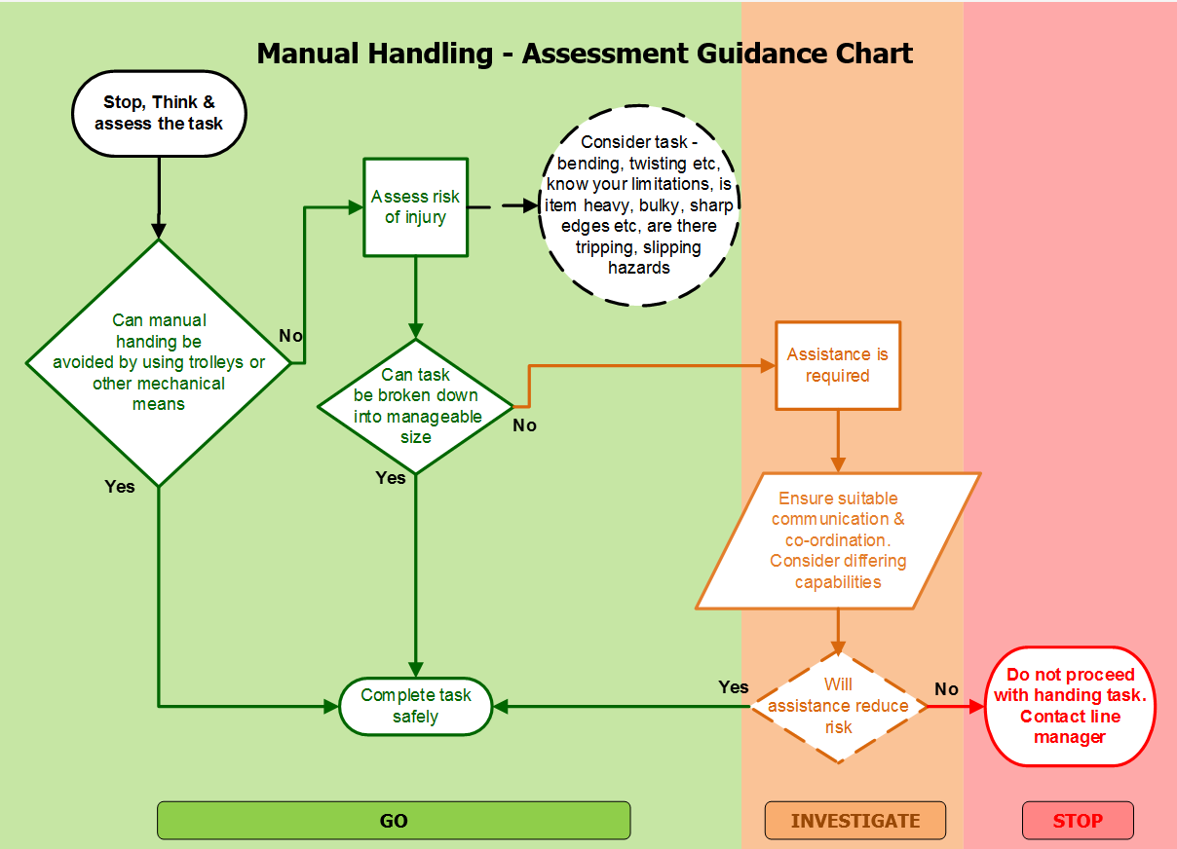
This chart can be used to provide a quick assessment on whether controls are necessary, and whether a more detailed assessment is required.

Staff involved in manual handling tasks should be informed of good lifting practices. Particular attention must be paid to good posture and correct grip.

Please Note:- Manual handling is the last option, after other handling options have been considered and found to be inappropriate - such as the use of mechanical aids - see mechanical aids guidance.

Guidance for completing form
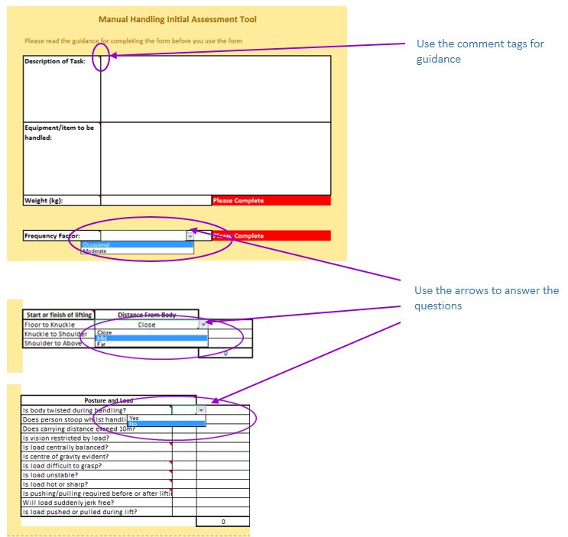

Use a copy of the form
Answer all the questions on the form by completing the grey cells.
 | Guidance is provided in the comments box. The aim of this guidance is to reduce the risk from manual handling activities by offering solutions to improve the task, the environment, reduce the load and so reduce the risk to health of individuals carrying out the activity.

Once improvements have been applied and all the questions have been answered , the resulting risk factor will be colour coded. Where the resulting Risk Factor is NOT green, carry out the process again and apply further controls. The aim is to reduce the risk to as low as possible. Where the result is still red, then contact the Health and Safety Department who will support a specialist assessment.

 | No further action required

 | Apply further improvements to reduce risk, if practicable

 | A further in depth risk assessment is required , contact health and safety for support.

